Crayola Xmas Lines
REF | IMAGE | BRAND | PRODUCT | UNITS PER CARTON | UNITS PER INNER | QTY 26.09.25 | RRP
DAC1000323CRA | 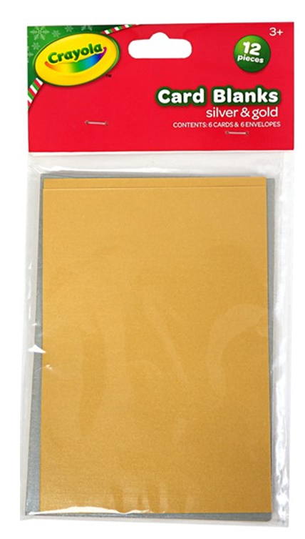 | CRAYOLA | CRA CARDS & ENVS METALLIC XMAS A6 6PCS | 24 | 6 | 19,632 | £1.99
DAC1000328CRA | 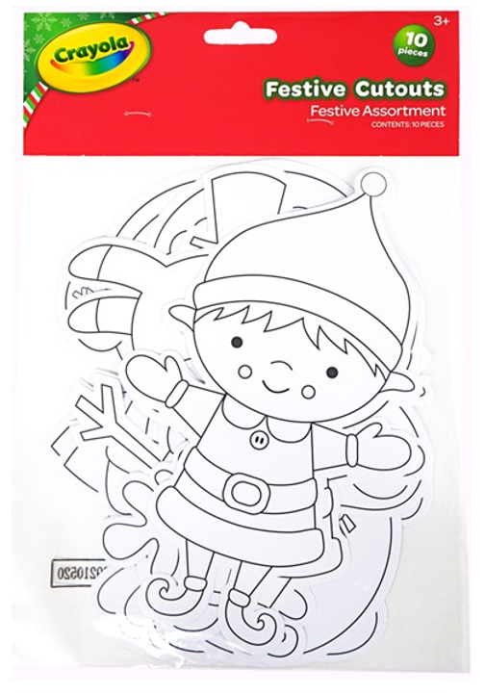 | CRAYOLA | CRA PAPER SHAPES CYO XMAS CUTOUTS 10PCS | 24 | 6 | 17,142 | £1.99
DAC1000312CRA | 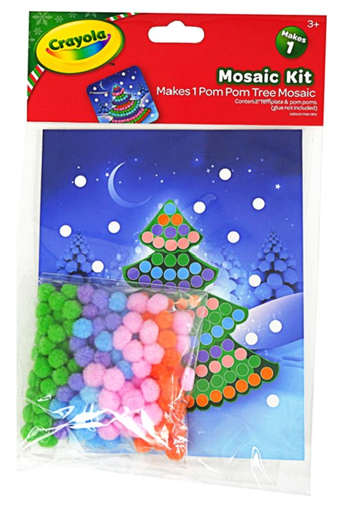 | CRAYOLA | CRA POM MOSAIC KIT XMAS TREE MKS1 | 24 | 6 | 12,150 | £1.99
DAC1000420CRA | 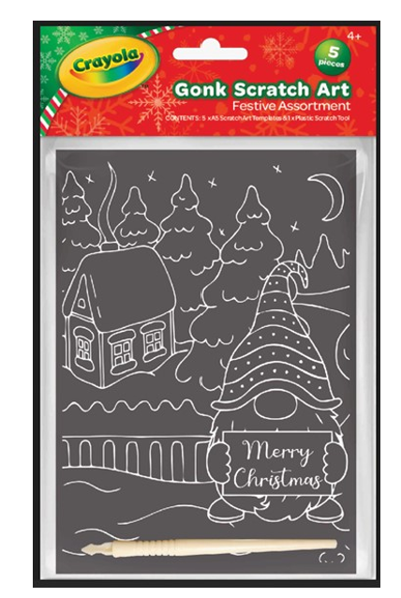 | CRAYOLA | CRA SCRATCH ART KIT XMAS GONKS A5 MKS5 | 24 | 6 | 5,063 | £1.99
DAC367507CRA | 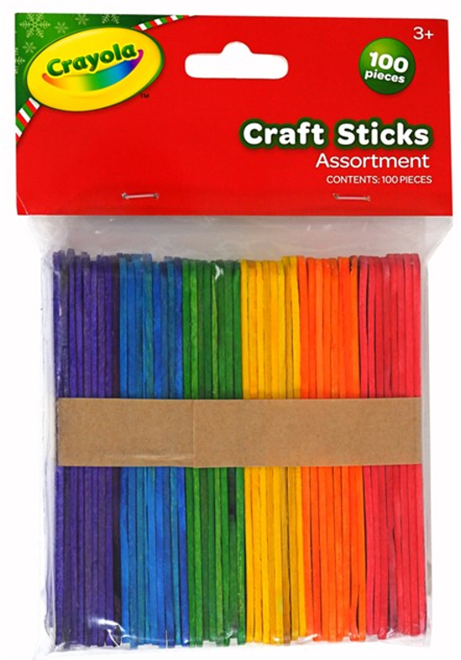 | CRAYOLA | CRA CRAFT STICKS XMAS COLOURED 100PCS | 24 | 6 | 3,768 | £1.99
DAC1000419CRA | 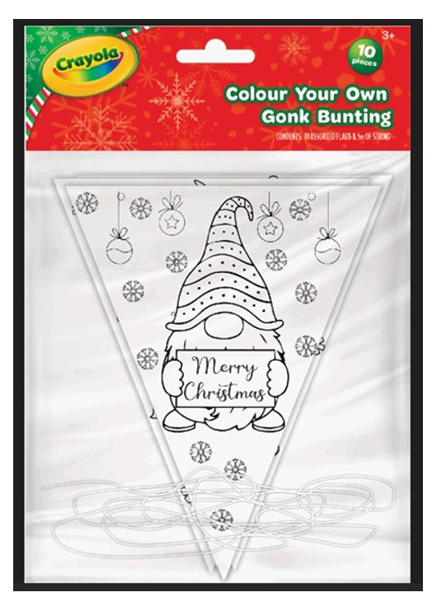 | CRAYOLA | CRA PAPER SHAPES CYO BUNT XMAS GONK10PCS | 24 | 6 | 3,516 | £1.99
DAC1000324CRA | 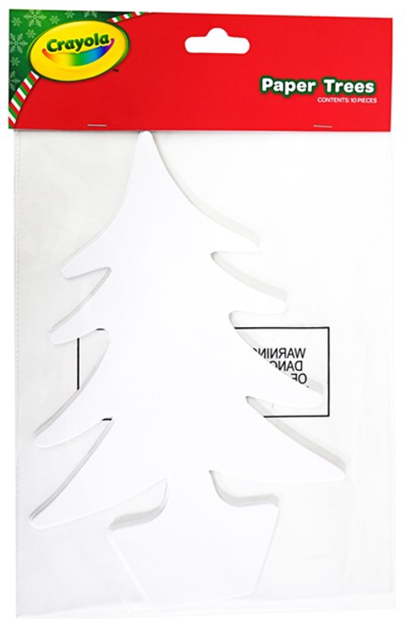 | CRAYOLA | CRA PAPER SHAPES XMAS TREES 10PCS | 24 | 6 | 2,418 | £1.99
DAC1000315CRA | 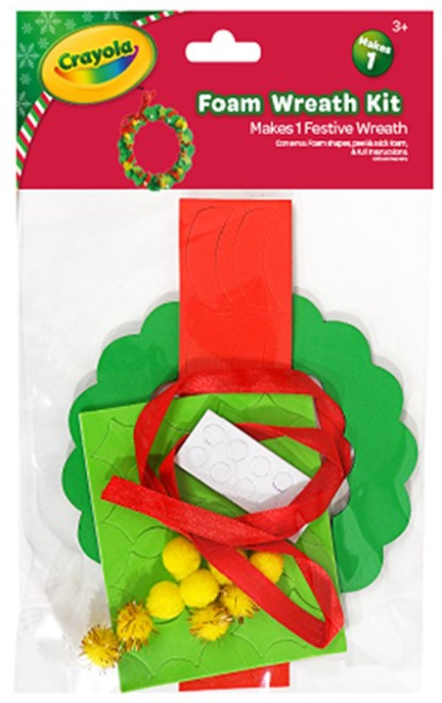 | CRAYOLA | CRA FOAM KIT XMAS WREATH MKS1 | 24 | 6 | 2,190 | £1.99
 |  |  |  |  |  | 65,879

